Bolted Member Stiffness
J. Williams 2021-09-08
This sheet is used for calculating bolt stiffness, as well as bolted member stiffness and getting a joint stiffness constant. Taken from Shigley's. The left and right sides (English vs Metric) operate independetly. See figures on right side if do not have book.

Key | Input | Overwrite Input | Output

Metric Bolted Joint Diagram Have not verified negative external force! (Check H88) Higher Slope = More Stiffness Ensure Residual Clamping Force is above required clamping force
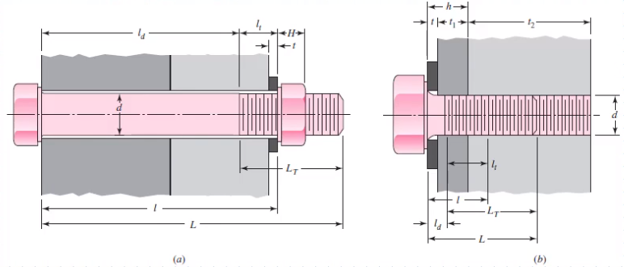
SAE |  |  |  | Metric
Abbreviation | Description | Value | Units | Abbreviation | Description | Value | Units
 | Nut or Threaded Member | Nut | - |  | Nut or Threaded Member | Nut | -
H | Nut thickness (height) | 0.265625 | inch | H | Nut thickness (height) | 9.3 | mm
t | Washer thickness (height) | 0.065 | inch | t | Washer thickness (height) | 0 | mm
M1t | Member 1 thickness (height) | 1.5 | inch | M1t | Member 1 thickness (height) | 12 | mm
M2t | Member 2 thickness (height) | 0.5 | inch | M2t | Member 2 thickness (height) | 12 | mm
l | Grip length | 2.065 | inch | l | Grip length | 24 | mm |  |  |  |  |  |  |  |  |  |  |  |  |  |  |  |  |  | a |  |  |  |  |  |  |  | maybe delete
 | Min Fastener Length Needed | 2.330625 | inch |  | Min Fastener Length Needed | 33.3 | mm |  |  |  | Bolt 1 |  | Joitn Compression |  | Moved Joitn Compression at installed |  | Preload at installation |  | Elongation at installed |  | bolt elongation at fully relaxed member |  | member compression at bolt fully relaxed |  | ext force |  | ext force |  | External Force |  | Failure |  | Force bolt total |  | Clamping Force on Members |  | Bolt Proof Load
L | Fastener Length | 2.5 | inch | L | Fastener Length | 35 | mm |  |  |  | Elongation | Tensile Load on Bolt | Elongation | Joint Compression | Elongation | Joint Compression | Elongation | Preload | Elongation | Force | elongation | Force | elongation | Force | elongation | Force | elongation | Force | elongation | Force | Elongation | Force | Elongation | Force | Elongation | Force | Elongation | Force
d | Bolt diameter (shank/non-threaded) | 0.3125 | inch | d | Bolt diameter (shank/non-threaded) | 10 | mm |  |  |  | mm | kN | mm | kN | mm | kN | mm | kN | mm |  | mm | kN | mm | kN | mm | kN | mm | kN | mm | kN | mm | kN | mm | kN | mm | kN | mm | kN
 | Typical threaded length of bolt | 0.875 | inch |  | Typical threaded length of bolt | 26 | mm |  |  |  | 0 | 0 | 0 | 0 | 0.064329556654 | 0 | 0 | 28.275 | 0.050978629611 | 0 | 0.050978629621 | 28.275 | 0.050978629621 | 28.275 | 0.050978629621 | 28.275 | 0.050978629621 | 28.275 | 0.052849554754 | 24.312697734 | 0.064329556644 | 0 | 0 | 29.312697734 | 0 | 24.312697734 | 0 | 37.7
Lt | Threaded length of bolt | 0.875 | inch | Lt | Threaded length of bolt | 26 | mm |  |  |  | 0.050978629621 | 28.275 | -0.013350927033 | 28.275 | 0.050978629621 | 28.275 | 0.064329556654 | 28.275 | 0.050978629631 | 28.275 | 0.064329556654 | 35.680013918 | 0 | 136.23909485 | 0.052849554764 | 29.312697734 | 0.052849554764 | 24.312697734 | 0.052849554774 | 29.312697734 | 0.064329556664 | 96.55 | 0.064329556654 | 29.312697734 | 0.064329556654 | 24.312697734 | 0.064329556654 | 37.7
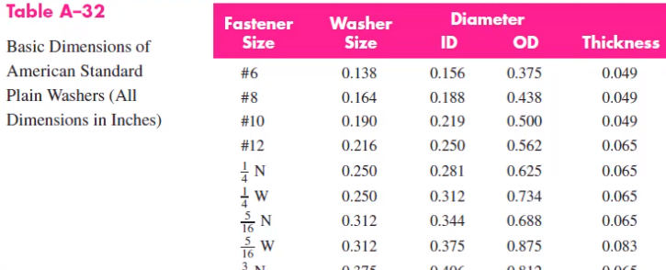
ld | Length of shank (non-threaded portion) of bolt (in grip length) | 1.625 | inch | ld | Length of shank (non-threaded portion) of bolt (in grip length) | 9 | mm |  |  |  |  |  |  |  |  |  | 0.050978629621
lt | Length of threaded portion of bolt in grip length | 0.44 | inch | lt | Length of threaded portion of bolt in grip length | 15 | mm
Ad | Cross-sectional area of shank of bolt | 0.076699039394 | inch^2 | Ad | Cross-sectional area of shank of bolt | 78.53981634 | mm^2
 | Bolt Thread Root Diameter | 0.4041 | inch |  | Bolt Thread Root Diameter | 0.4041 | mm
 | Bolt Thread Pitch Diameter | 0.446 | inch |  | Bolt Thread Pitch Diameter | 0.446 | mm
 | Bolt thread diameter possible | 0.42505 | inch |  | Bolt thread diameter possible | 0.42505 | mm
 | Bolt Thread Diameter | 0.42505 | inch |  | Bolt Thread Diameter | 0.42505 | mm
 | Bolt Thread Area calc | 0.14189592465 | inch |  | Bolt Thread Area calc | 0.14189592465 | mm
At | Cross-sectional area of threaded portion tensile stress area | 0.0524 | inch^2 | At | Cross-sectional area of threaded portion tensile stress area | 58 | mm^2
 | Threads per inch (TPI) of bolt | 18 | - |  | Bolt Pitch | 1.5 | mm
Eb | Young's Modulus of Bolt | 30000 | ksi | Eb | Young's Modulus of Bolt | 207 | Gpa
Kb | Stiffness of Bolt | 1.0140735634 | Mlbf/in | Kb | Stiffness of Bolt | 554.64417562 | MN/m
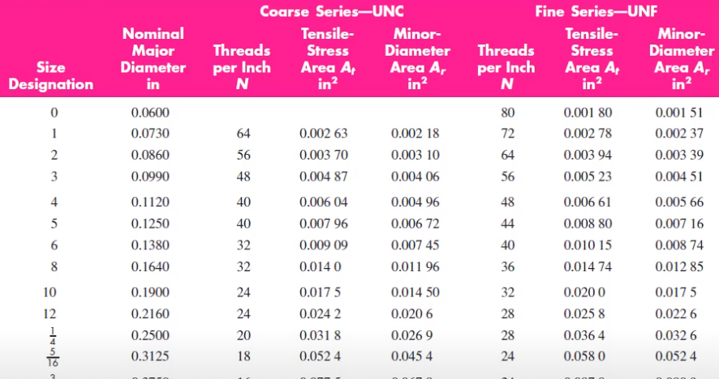
 | Stiffness of Bolt | 1014073.5634 | lbf/in |  | Stiffness of Bolt | 554644.17562 | N/m

Frustrum Calcs (Frustrum 1 = Upper, F2 = Lower, F3 = Middle) |  |  |  | Member Stiffness Calc (Frustrum 1 = Upper, F2 = Lower, F3 = Middle)
If using steel washer and steel member for that washer, then can treat as 1 entity for frustra |  |  |  | If using steel washer and steel member for that washer, then can treat as 1 entity for frustra
In this case, we are calling Frustrum 2 the bottom frustrum and assumming steel washer and steel lower member. We then let Frustrum 3 be in between frustrum 1 and frustrum 2 |  |  |  | In this case, we are calling Frustrum 2 the bottom frustrum and assumming steel washer and steel lower member. We then let Frustrum 3 be in between frustrum 1 and frustrum 2
This assumes we only have 3 frustrums to be concerned with |  |  |  | This assumes we only have 3 frustrums to be concerned with
α | Apex Angle (Half) | 30 | deg | α | Apex Angle (Half) | 30 | deg
dw | Diameter of Bolt's Washer Face | 0.46875 | inch | dw | Diameter of Bolt's Washer Face | 15 | mm
dnw | Diameter of Nut's Washer Face | 0.46875 | inch | dnw | Diameter of Nut's Washer Face | 15 | mm
t1 | Frustrum 1 Length | 1.0325 | inch | t1 | Frustrum 1 Length | 12 | mm
d1 | Frustrum 1 Hole Diameter | 0.3125 | inch | d1 | Frustrum 1 Hole Diameter | 10 | mm
D1 | Frustrum 1 Small Outer Dia | 0.46875 | inch | D1 | Frustrum 1 Small Outer Dia | 15 | mm
E1 | Member 1 Young's Modulus | 14500 | ksi | E1 | Member 1 Young's Modulus | 207 | Gpa
K1 | Stiffness of Frustrum 1 | 6.6894548379 | Mlbf/in | K1 | Stiffness of Frustrum 1 | 4235.660929 | MN/m
t2 | Frustrum 2 Length | 0.565 | inch | t2 | Frustrum 2 Length | 12 | mm
d2 | Frustrum 2 Hole Diameter | 0.3125 | inch | d2 | Frustrum 2 Hole Diameter | 10 | mm
D2 | Frustrum 2 Small Outer Dia | 0.46875 | inch | D2 | Frustrum 2 Small Outer Dia | 15 | mm
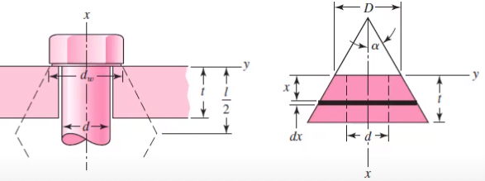
E2 | Member 2 Young's Modulus | 30000 | ksi | E2 | Member 2 Young's Modulus | 207 | Gpa
K2 | Stiffness of Frustrum 2 | 16.400371038 | Mlbf/in | K2 | Stiffness of Frustrum 2 | 4235.660929 | MN/m
t3 | Frustrum 3 Length | 0.4675 | inch | t3 | Frustrum 3 Length | 0 | mm
d3 | Frustrum 3 Hole Diameter | 0.3125 | inch | d3 | Frustrum 3 Hole Diameter | #N/A | mm
D3 | Frustrum 3 Small Outer Dia | 1.1211558042 | inch | D3 | Frustrum 3 Small Outer Dia | #N/A | mm
E3 | Member 3 Young's Modulus | 14500 | ksi | E3 | Member 3 Young's Modulus | #N/A | Gpa
K3 | Stiffness of Frustrum 3 | 42.853286727 | Mlbf/in | K3 | Stiffness of Frustrum 3 | #N/A | MN/m
Km | Stiffness of Clamped Members | 4.2771841865 | Mlbf/in | Km | Stiffness of Clamped Members | 2117.8304645 | MN/m
C | Joint Stiffness Constant | 0.1917 | - | C | Joint Stiffness Constant | 0.2075 | -

Bolt Target Preload |  |  |  | Bolt Target Preload
 | Connection Type | Non-Permanent | - |  | Connection Type | Non-Permanent | -
At | Tensile Stress Area of Bolt | 0.0524 | in^2 | At | Tensile Stress Area of Bolt | 58 | mm^2
Sp | Proof Strength | 105 | ksi | Sp | Proof Strength | 650 | MPa
Fp | Bolt Proof Load | 5502 | lbf | Fp | Bolt Proof Load | 37.7 | kN
Fi | Target Preload | 4126.5 | lbf | Fi | Target Preload | 28.275 | kN

Torque required to achieve preload |  |  |  | Torque required to achieve preload
Fi | Target Preload | 4126.5 | lbf | Fi | Target Preload | 28.275 | kN
d | Bolt Diameter | 0.3125 | in | d | Bolt Diameter | 10 | mm
K | Torque Factor | 0.2 | - | K | Torque Factor | 0.2 | -
T | Estimated Torque requirement | 257.90625 | lbf*ft | T | Estimated Torque requirement | 56.55 | N*m

Bolt Enlongation for Given Preload |  |  |  | Bolt Enlongation for Given Preload
Fi | Target Preload | 4126.5 | lbf | Fi | Target Preload | 28.275 | kN
Kb | Bolt Stiffness | 1.0140735634 | Mlbf/in | Kb | Bolt Stiffness | 554.64417562 | MN/m
δb | Bolt Deformation | 0.0040692314137 | in | δb | Bolt Deformation | 0.050978629621 | mm

Number of Turns to Achieve Preload |  |  |  | Number of Turns to Achieve Preload
Fi | Target Preload | 4126.5 | lbf | Fi | Target Preload | 28.275 | kN
Km | Stiffness of Clamped Members | 4.2771841865 | Mlbf/in | Km | Stiffness of Clamped Members | 2117.8304645 | MN/m
Kb | Stiffness of Bolt | 1.0140735634 | Mlbf/in | Kb | Stiffness of Bolt | 554.64417562 | MN/m | combined stiffness | 439.53357478 | kN/mm
δb | Bolt Deformation required | 0.0040692314137 | in | δb | Bolt Deformation required | 0.050978629621 | mm
δm | Member defomration required | 0.0009647702367 | in | δm | Member deformation required | 0.013350927033 | mm
P | Bolt Pitch (TPI) | 18 | - | P | Bolt Pitch | 1.5 | mm
Nt | Number of Turns Required to achieve clamp load, after snug | 0.090612029706 | - | Nt | Number of Turns Required to achieve clamp load, after snug | 0.042886371102 | -
Nt | Degrees of turn of nut required to achieve clamp load, after snug | 32.620330694 | deg | Nt | Degrees of turn of nut required to achieve clamp load, after snug | 15.439093597 | deg

External Load / Number of Bolts |  |  |  | External Load / Number of Bolts
P | External Load carried/applied by/to members | 0 | lbf | P | External Load carried/applied by/to members | 20 | kN
 | Number of bolts | 4 | - |  | Number of bolts | 4 | -

Metric Bolted Joint Diagram Have not verified negative external force! (Check H88) Higher Slope = More Stiffness Ensure Residual Clamping Force is above required clamping force
Load Factor, Factors of Safety |  |  |  | Load Factor, Factors of Safety
C | Joint Stiffness Constant | 0.1917 | - | C | Joint Stiffness Constant | 0.2075 | -
Sp | Proof Strength | 105 | ksi | Sp | Proof Strength | 650 | MPa
At | Tensile Stress Area of Bolt | 0.0524 | in^2 | At | Tensile Stress Area of Bolt | 58 | mm^2
 | Number of bolts | 4 | - |  | Number of bolts | 4 | -
P | Load carried by members | 0 | lbf | P | Load carried by members | 20 | kN
Fi | Target Preload | 4126.5 | lbf | Fi | Target Preload | 28.275 | kN
np | Yielding Factor of Safety for exceeding proof stress | 1.3333333333 | - | np | Yielding Factor of Safety for exceeding proof stress | 1.2861320491 | -
nL | Loading Factor | #DIV/0! | - | nL | Loading Factor | 9.0826063233 | -
n0 | Factor of Safety against Joint Seperation | #DIV/0! | - | n0 | Factor of Safety against Joint Seperation | 7.1360027836 | -

 |  |  |  | Bolt Fatigue Info (If cyclic tension loading)
 |  |  |  | σ_e,up | Upper Stress Level (if cyclical tension) | 505.39134024 | MPa
 |  |  |  | σ_e,m | Mean Stress Level (if cylcical tension) | 496.44567012 | MPa
 |  |  |  | σ_e,low | Lower Stress Level (if cyclical tension) | 487.5 | MPa

